Summary
Service | State | County | City or Incorp. Village | Town | Special District | School Districts |  |  |  | Library Districts |  | Fire Protection District | Water |  | TOTAL NUMBER OF SERVICE PROVIDERS
 |  |  |  |  |  | Union Free School District | Central High School District | City School District | Central School District | School District Libraries | Association Libraries |  | Water Corp. | Water Authority
Police | 1 | 1 | 19 |  | 1 |  |  |  |  |  |  |  |  |  | 22
Sewer | 1 | 1 | 11 |  | 5 |  |  |  |  |  |  |  |  |  | 18
School |  |  |  |  |  | 46 | 3 | 2 | 5 |  |  |  |  |  | 56
Library |  |  | 11 |  | 5 |  |  |  |  | 33 | 5 |  |  |  | 54
Fire |  |  | 21 |  | 34 |  |  |  |  |  |  | 15 |  |  | 70
Water | 1 |  | 14 | 1 | 19 |  |  |  |  |  |  |  | 3 | 2 | 40
Garbage |  |  | 49 | 3 | 10 |  |  |  |  |  |  |  |  |  | 62
TOTAL |  |  |  |  |  |  |  |  |  |  |  |  |  |  | 322

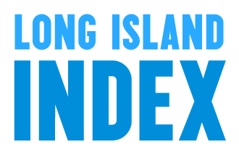
DATA COLLECTED AND ANALYZED BY THE LONG ISLAND INDEX
A PROJECT OF THE RAUCH FOUNDATION, GARDEN CITY, NY
2013

Any questions, you can reach us at:
info@longislandindex.org

